Trend
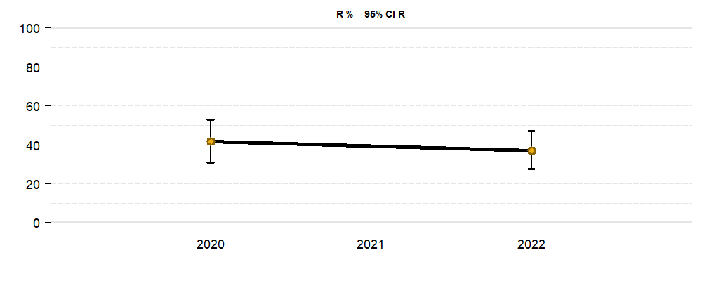
Trend analysis
Specimen | Blood culture + Deep respiratory secretion + Deep swap/tissue + Foreign body + Punctate/secretion + Superficial swap + Urine
Clinic/Unit | Clinic 02
Patient isolate | Just first
Species | Escherichia coli
Antimicrobial agent | Amoxicillin, Amoxicillin.Clavulanic.Acid, Amphotericin.B, Ampicillin, Ampicillin.Sulbactam, Cefazolin, Cefepim, Cefpodoxim, Ceftriaxon.meningingitis.breakpoints, Cefuroxim, Cefuroxim.Axetil, Chloramphenicol, Ciprofloxacin, Clindamycin, Daptomycin, Doxycyclin, Ertapenem, Erythromycin, Fluconazol, Flucytosin, Fosfomycin, Fusidic.Acid, Gentamicin, Imipenem, Levofloxacin, Mecillinam, Meropenem, Micafungin, Minocyclin, Moxifloxacin, Mupirocin, Nitrofurantoin, Oxacillin, Penicillin, Quinupristin.Dalfopristin, Trimethoprim.Sulfamethoxazol
Amoxicillin
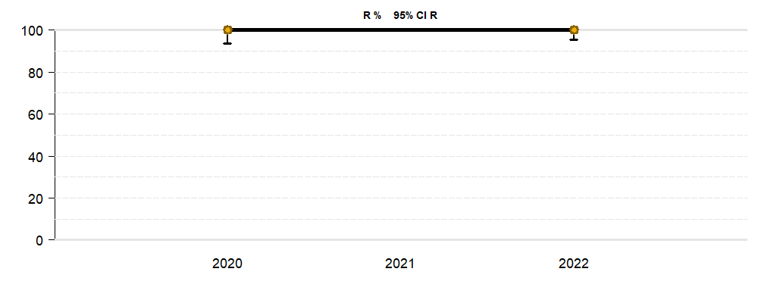

Amoxicillin.Clavulanic.Acid
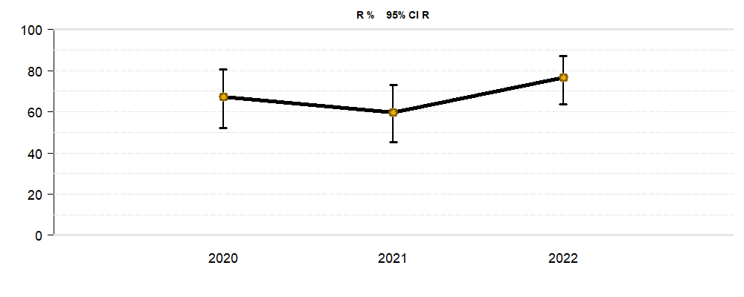

Amphotericin.B
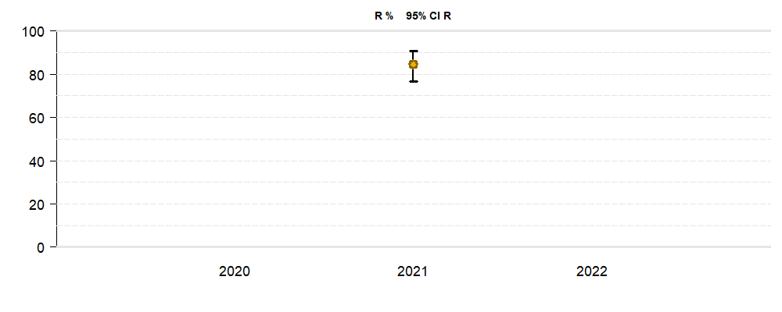

Ampicillin
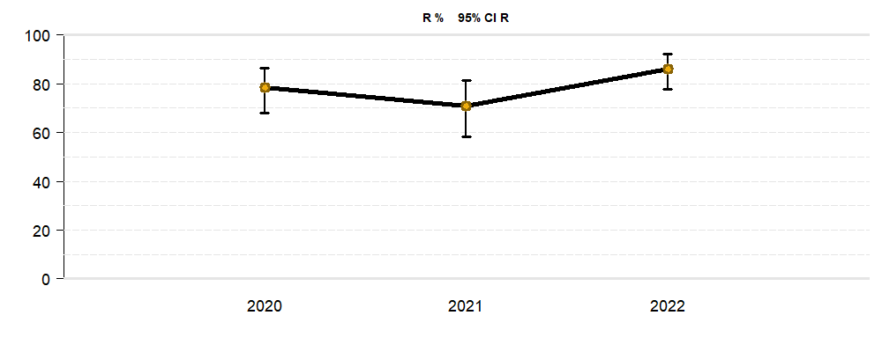

Ampicillin.Sulbactam
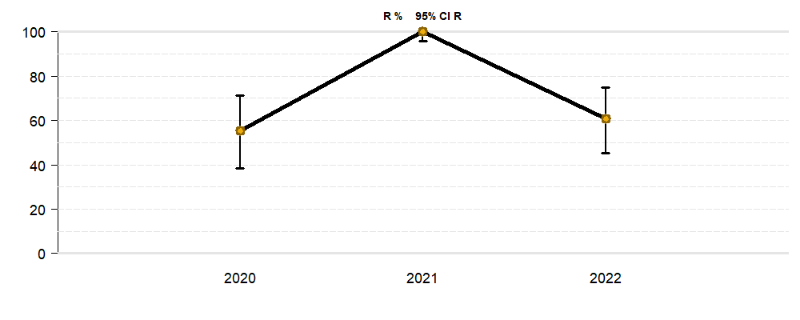

Cefazolin
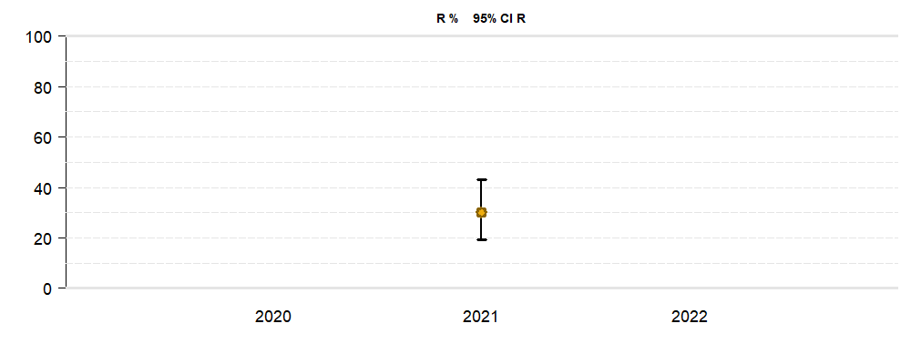

Cefepim
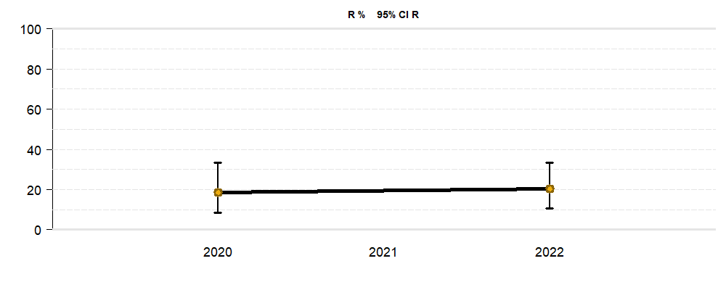

Cefpodoxim
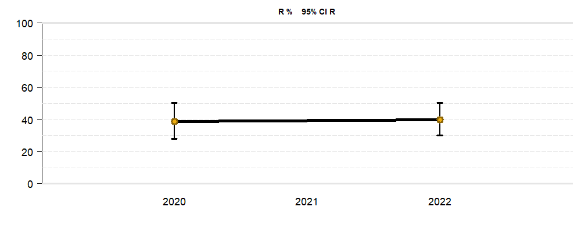

Ceftriaxon.meningingitis.breakpoints
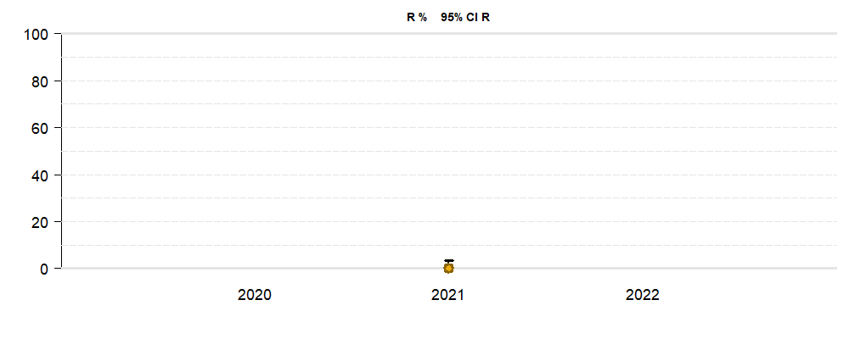

Cefuroxim
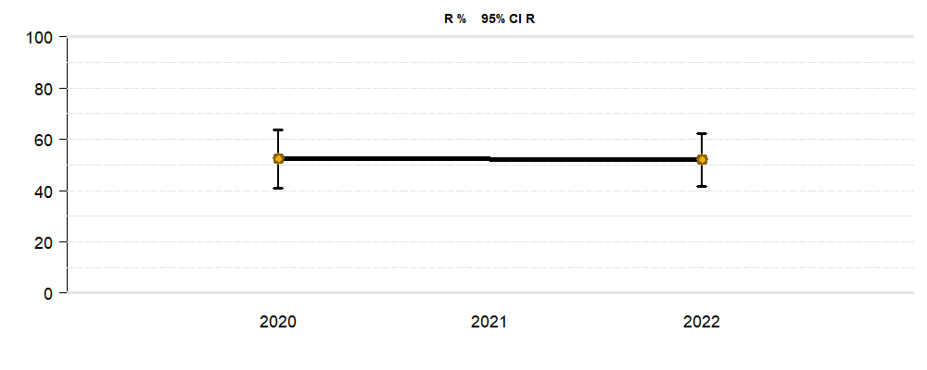

Cefuroxim.Axetil

Chloramphenicol
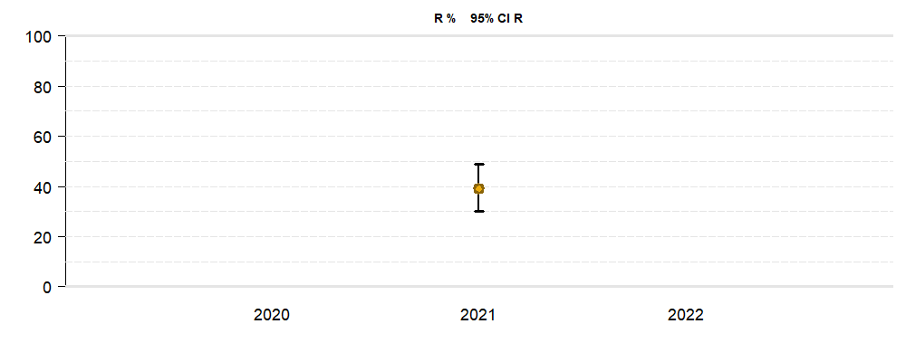

Ciprofloxacin
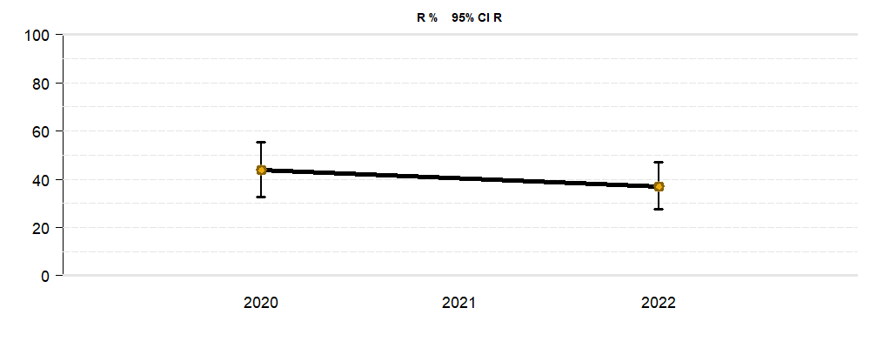

Clindamycin
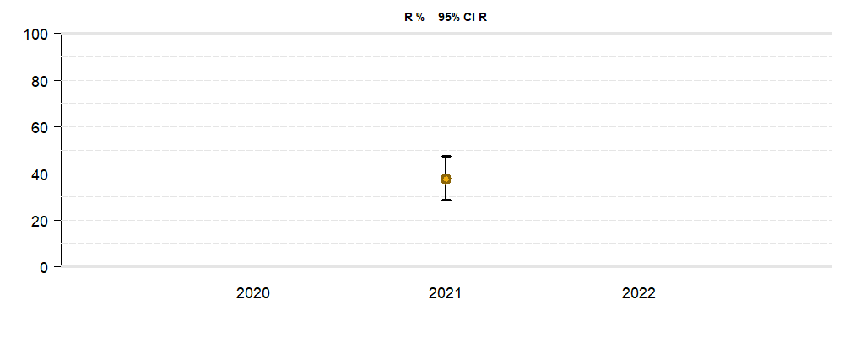

Daptomycin
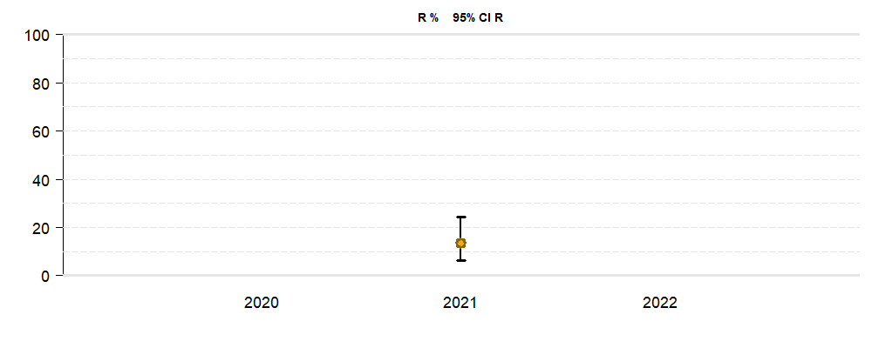

Doxycyclin
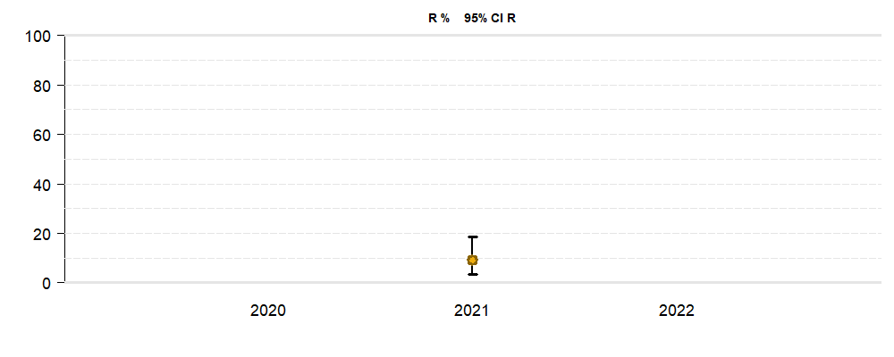

Ertapenem
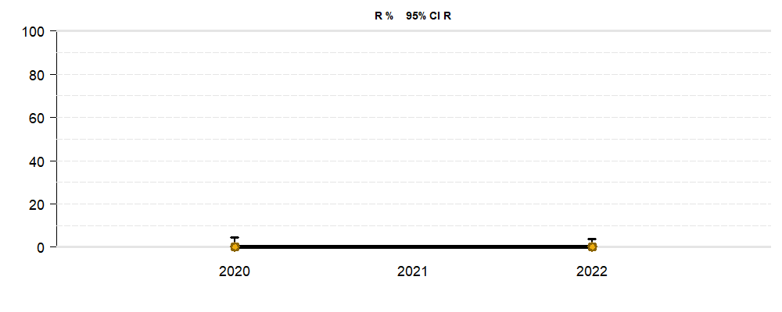

Erythromycin
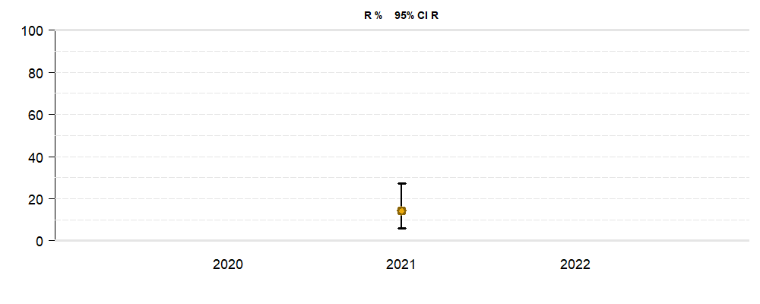

Fluconazol
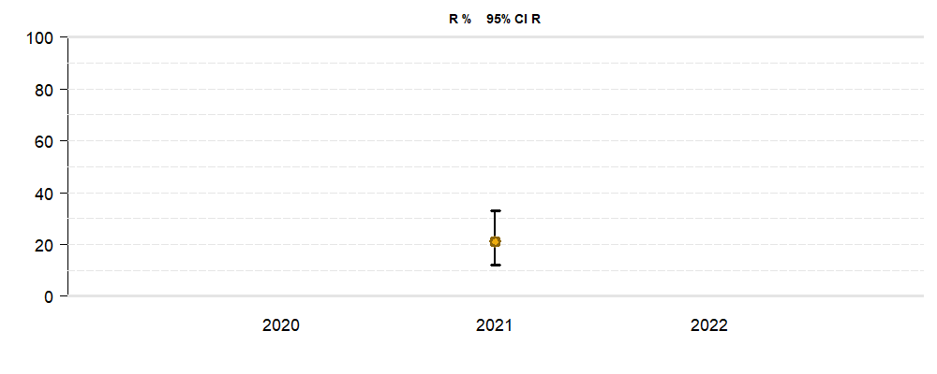

Flucytosin
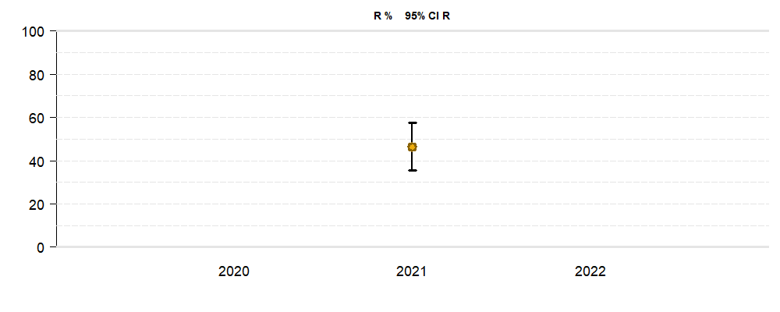

Fosfomycin
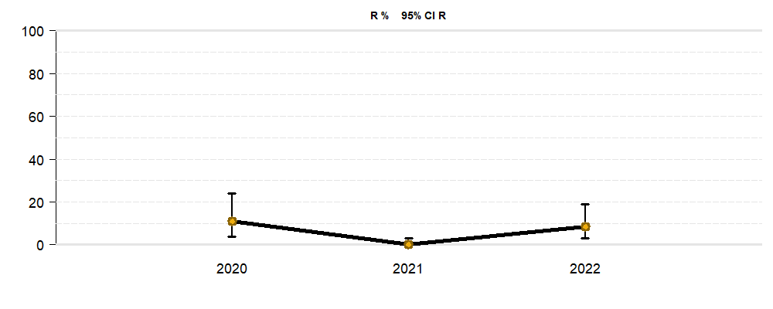

Fusidic.Acid
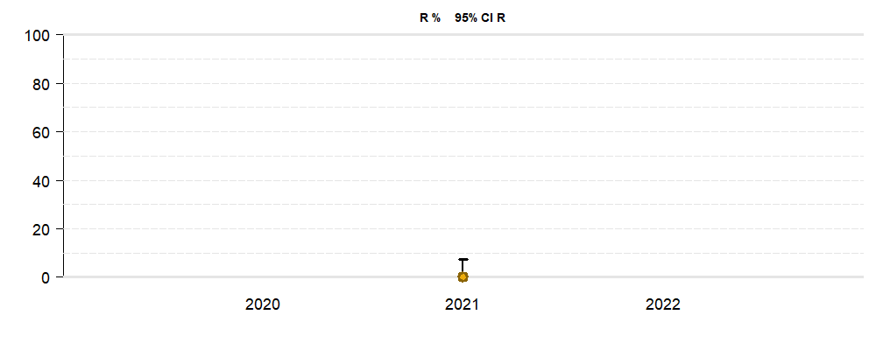

Gentamicin
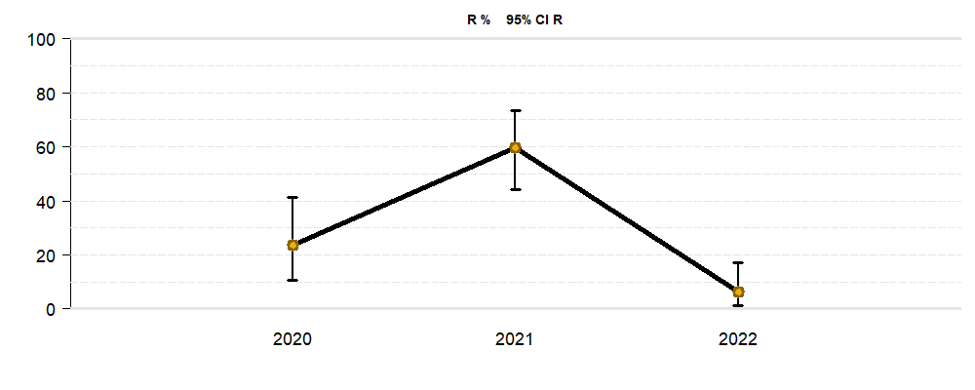

Imipenem


Levofloxacin
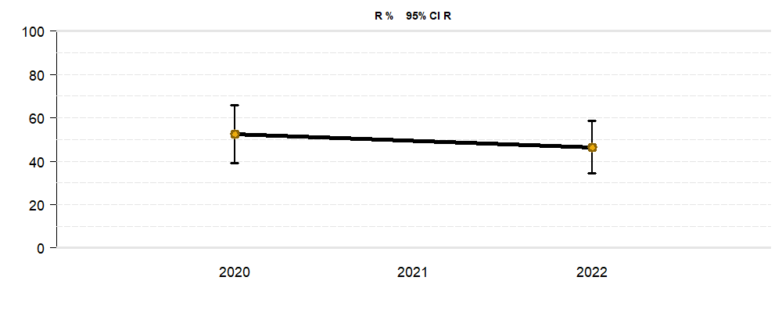

Mecillinam
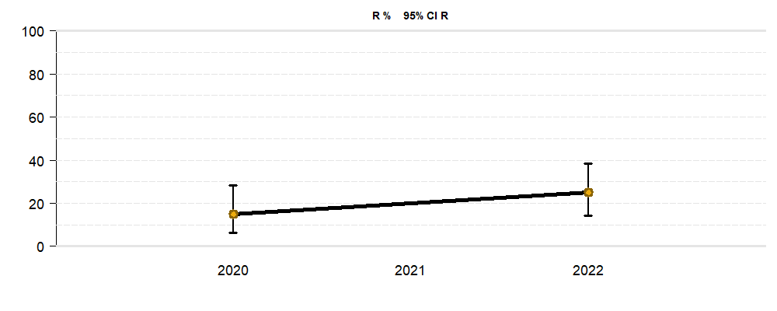

Meropenem
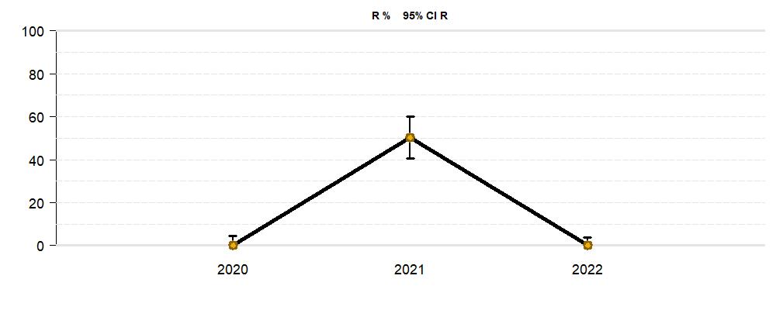

Micafungin


Minocyclin
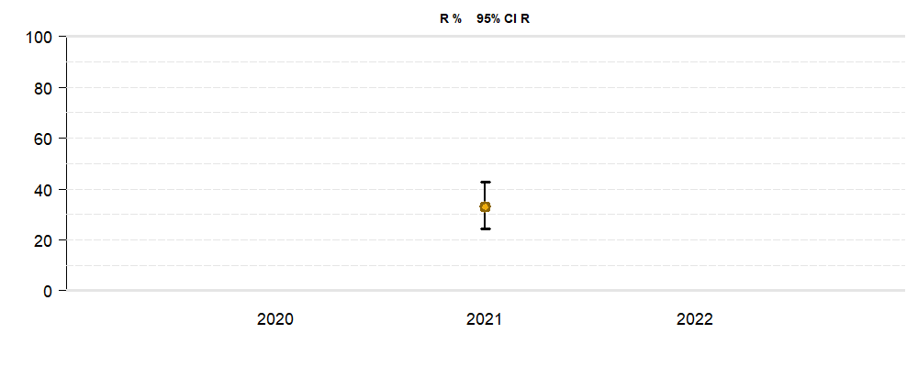

Moxifloxacin
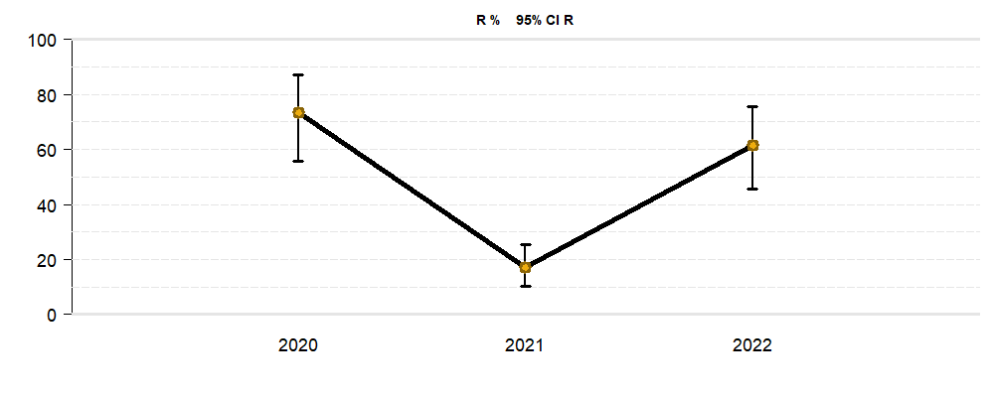

Mupirocin
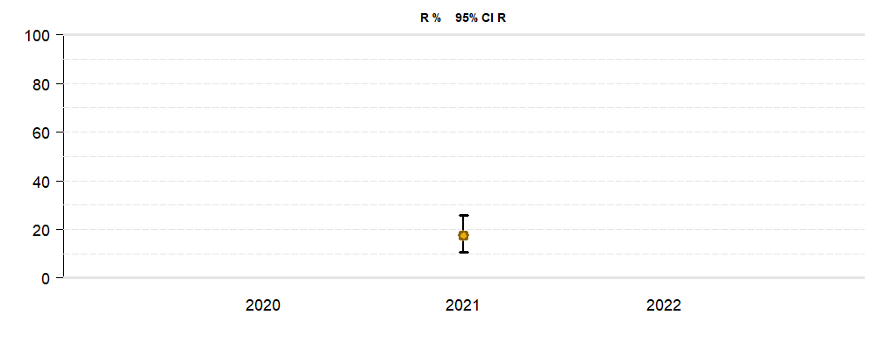

Nitrofurantoin
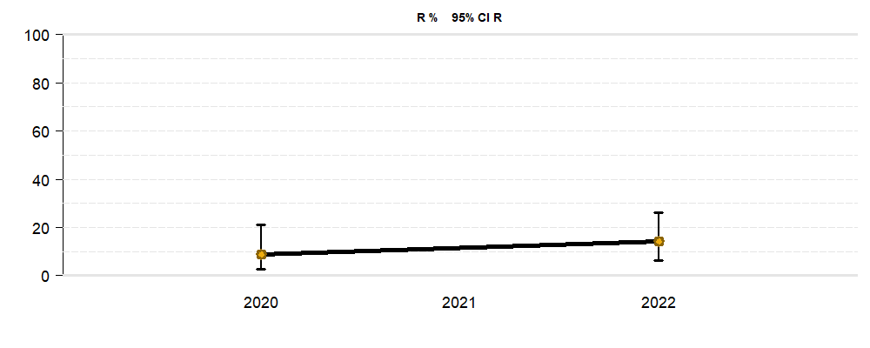

Oxacillin
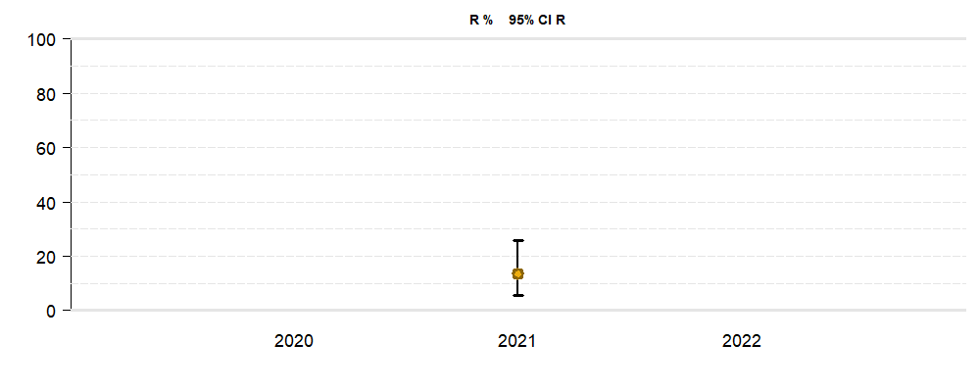

Penicillin
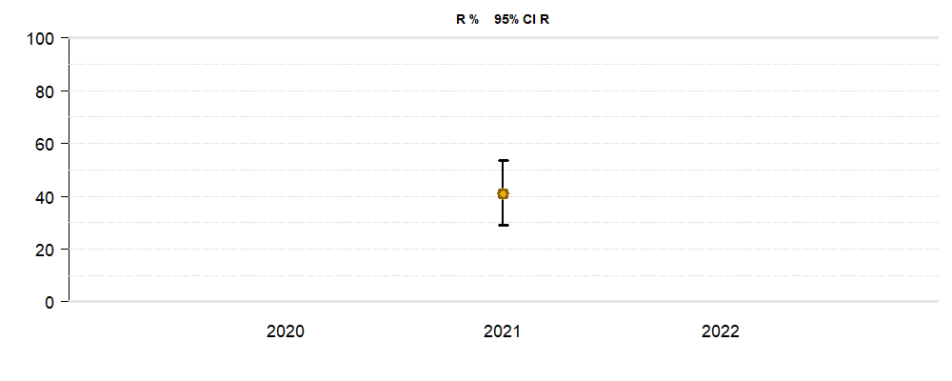

Quinupristin.Dalfopristin


Trimethoprim.Sulfamethoxazol

